Sheet1
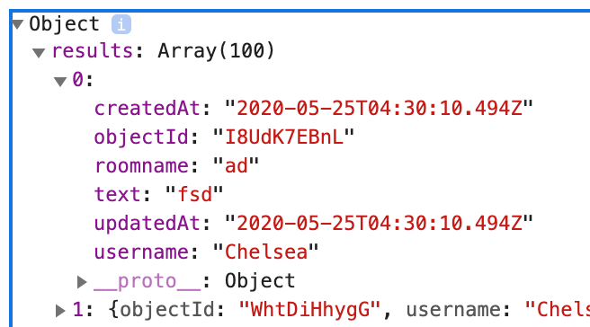
USERS |  | MESSAGES
ID | Username (PK) | objectId | text | createdAt | roomname | updatedAt | username (FK)

